Hypothesis Test
 |  |  | Hypothesis Test
 |  |  | One Sample t Test

Sample | Results | Sample | Results | Sample | Results
1 | 8.8 | 11 | 8.8 | 21 | 8.2
2 | 9.2 | 12 | 8.7 | 22 | 8.6
3 | 8.4 | 13 | 8.5 | 23 | 8.5
4 | 9.1 | 14 | 8.9 | 24 | 8.4
5 | 8.3 | 15 | 8.5 | 25 | 8.6
6 | 8.5 | 16 | 8.8 | 26 | 8.6
7 | 8.6 | 17 | 9.2 | 27 | 9.1
8 | 8.8 | 18 | 8.6 | 28 | 8.3
9 | 8.5 | 19 | 8.7 | 29 | 8.8
10 | 8.7 | 20 | 8.8 | 30 | 8.6

Null Hypothesis
The process falls short of meeting the standard of 8.5

Alternative Hypothesis
The process succeeds at meeting the process standard of 8.5

To conduct this test, swipe and copy the URL below and then paste it into your browser.
http://www.socscistatistics.com/tests/tsinglesample/Default.aspx

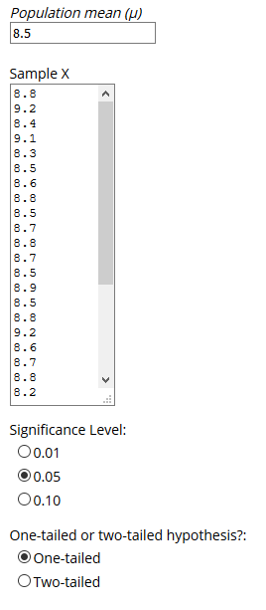

Here are the results:

Since p value is significant, the null hypothesis is rejected in favor of the alternative hypothesis which states that the population mean from which the sample has been taken is equal to or greater than 8.5.

Consequently, the adhesive is doing its job.

